Sheet1
No. Corto PER | No. HELLA PER | Armadora | Aplicación | Eje | Diametro (mm) | Imagen | ABC | Bendix | Raybestos | Luk / Ruville | Centric | Brembo | AIMCO | Autopar |  | Balata Hella Pagid | FMSI
53954-A1 | 355123521 | VolksWagen / Seat | A3 1.8L 20V 98-04; BEETLE 2.0L / 1.8TDI 98-06, GOLF A4 2.0L 00-07, JETTA VARIANT 2.0L 01-03, JETTA A4 2.0L 99-10, TOLEDO 1.8 LTS. 01-04, IBIZA SPORT (02-06) | Del. | 280 | 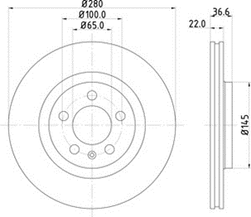 | A | PRT5239 | 96778R | BFR370710 | 121.33054 | I-1429 | 34143 | FR28008 | T1165 | 355008591 | 7635-D768
54208-A1 | 355123531 | VolksWagen / Seat | BORA A5 L5 2.5L (05-10), SEAT ALTEA L4 2.0L (05-06), ALTEA 1.4LT (10->), ALTEA 1.8L (08->), LEON L4 1.8L, 2.0L (06->), LEON CUPRA L4 2.0L T, TOLEDO L4 2.0LT | Del. | 288 | 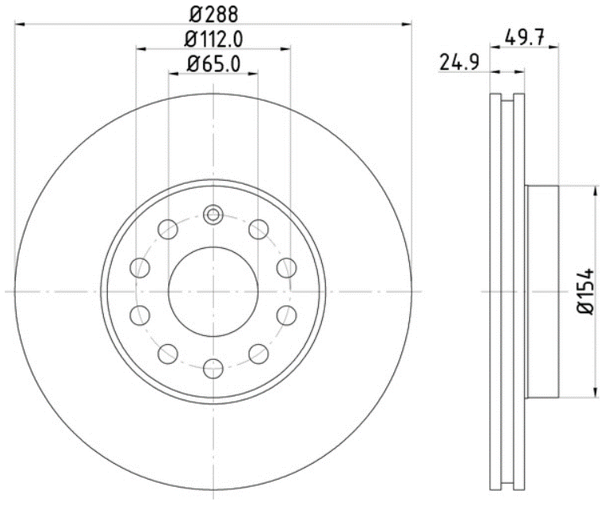 | A | PRT5682 | 980456 | BFR372210 |  | A-6100 | 34303 | FR28020 | T1376 | 355010581 | 8212-D1107
53955-A1 | 355123541 | Audi / VolksWagen / Seat | AUDI A3 1.8L 20V 98-04; IBIZA 02-07, TOLEDO 99-07, LEÓN 1.8L. 98-07, CORDOBA 01-08; BEETLE 2.0 LTS / 1.8 T 98-06, GOLF A4 2.0 LTS / 1.8 T 00-07, JETTA VARIANT 01-04, JETTA A4 2.0 LTS 99-10 | Tras. | 232 | 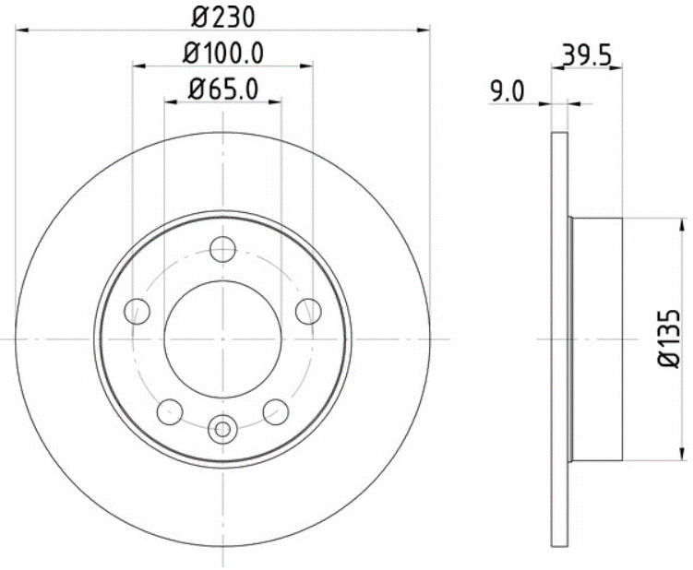 | A | PRT5238 | 96779R | BRR370510 | 121.33054 | I-1428 | 34144 | FR28009 | T5022 | 355017711 | 7234-D340
53930-A1 | 355123601 | VolksWagen | DISCO VW POINTER 02-08 VENTILADO | Del. | 239 | 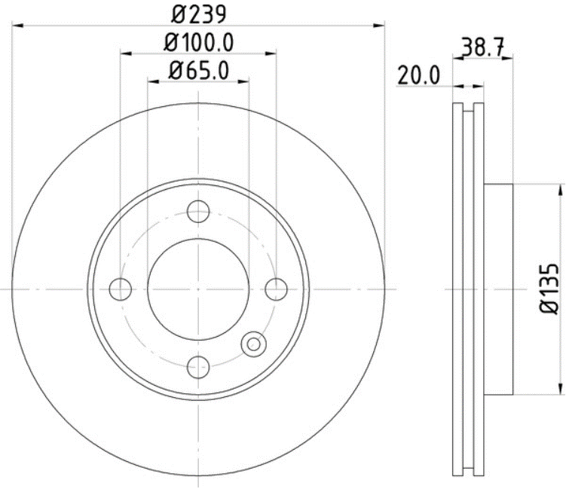 | A | PRT1248 | 9900R | BFR370410 | 121.33012 | A-5889 | 3460 | FR28003 | T1352 | 355010371 | 8284-D1173
54211-A1 | 355123551 | VolksWagen / Seat | BORA A5 L5 2.5L (05-10), 1.9L TDI (05-10), SEAT ALTEA L4 2.0L (05-06), ALTEA 1.4LT (10->), ALTEA 1.8L (08->), LEON L4 1.8L, 2.0L (06->), LEON CUPRA L4 2.0L T, TOLEDO L4 2.0LT | Tras. | 260 | 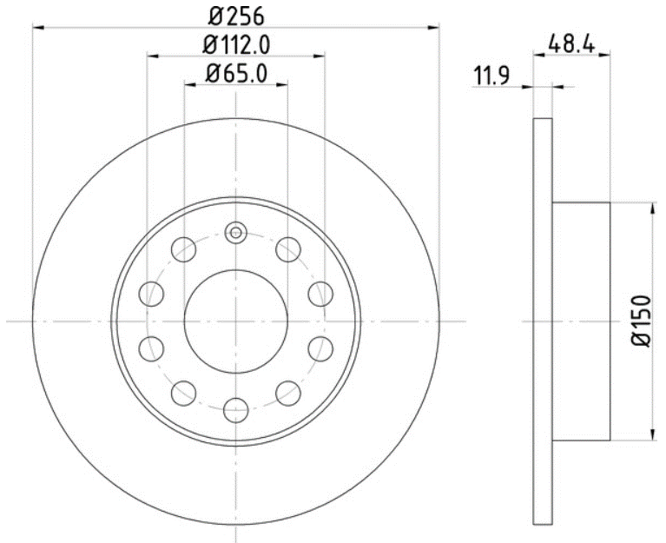 | A | PRT5644 | 980423 | BRR372010 |  | A-6101 | 34294 / 34204 | FR28021 | T1492 | 355011771 | 8213-D1108
50315-A1 | 355123591 | Audi / Volkwagen / Seat | AUDI A3 QUATTRO 2000; SEAT LEÓN 1.8L TURBO 98-07; SEAT TOLEDO 1.8L TURBO 98-07; GOLF A4 1.8 T 00-06, JETTA A4 VR6 / 1.8 T 99-04 | Del. | 288 | 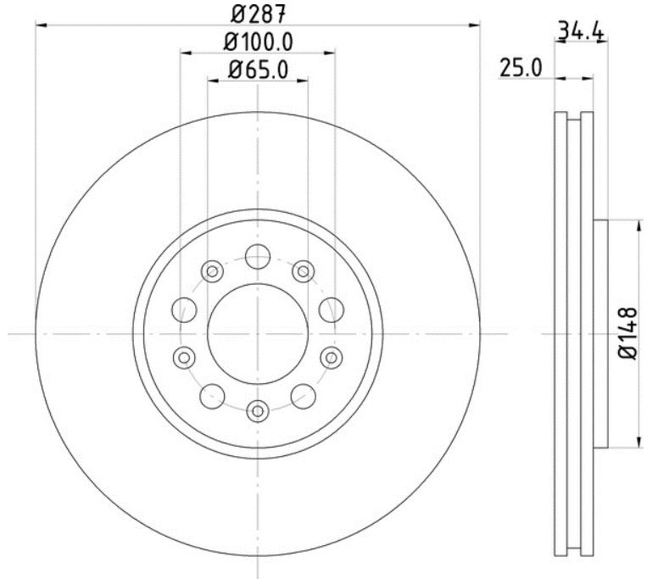 | A | PRT5278 | 96806R | BFR371310 | 121.33059 | I-1427 | 34168 | FR28010 | T1154 | 355008471 | 7434-D555
53953-A1 | 355123821 | Volkswagen / | Volkswagen Vento 14-,SEAT Cordoba 1.6L 04-09, Ibiza 1.6L 04-11, Del. | Del. | 256 | 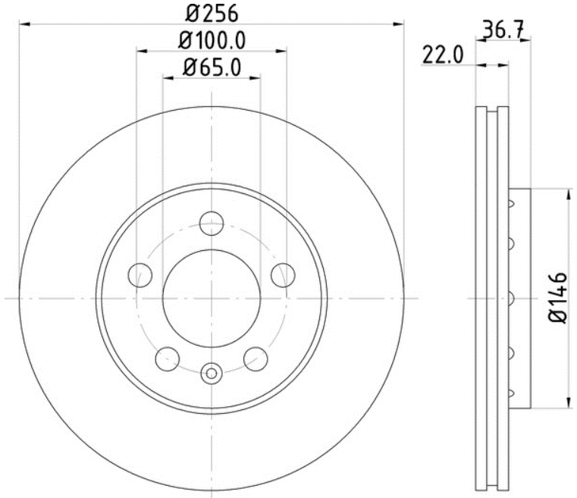 | A | - | - | BFR371610 |  | A-5970 |  | FR28017 | T2204 | 355020521 | 9006-D1776
54579-A1 | 355123571 | Mini Cooper | DISCO MINI COOPER DEL. 07-08 279.7MM | Del. | 280 | 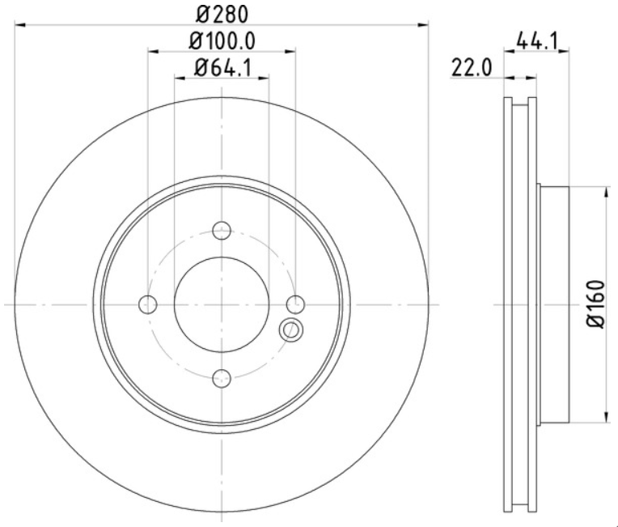 | A | PRT5926 | 980606 | BFR320510 |  |  | 34368 | FR03030 | T1444 | 355011261 | 8423-D1308
50365-A1 | 355123561 | Peugeot | PEUGEOT 307 XR, XS, XT, SW 03-07 | Del. | 283 | 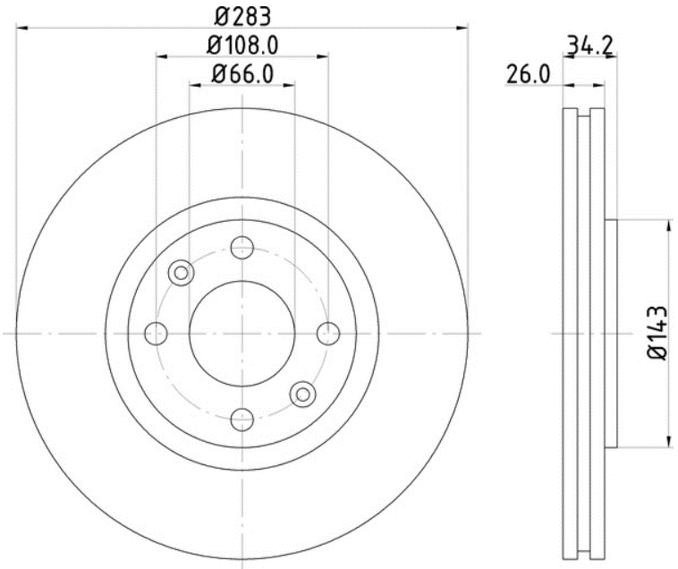 | A | - | - | BFR380310 |  | A-5956 |  | FR21003 | T5167 | 355018871 | 8749-D1541
53908-A1 | 355123831 | Volkswagen. | JETTA 87-93, JETTA 1.8 93-96/ POINTER 98-->, GOLF 87-93, GOLF 1.8 93-96, CARIBE 77-87, CORSAR 85-89, | Del. | 239 | 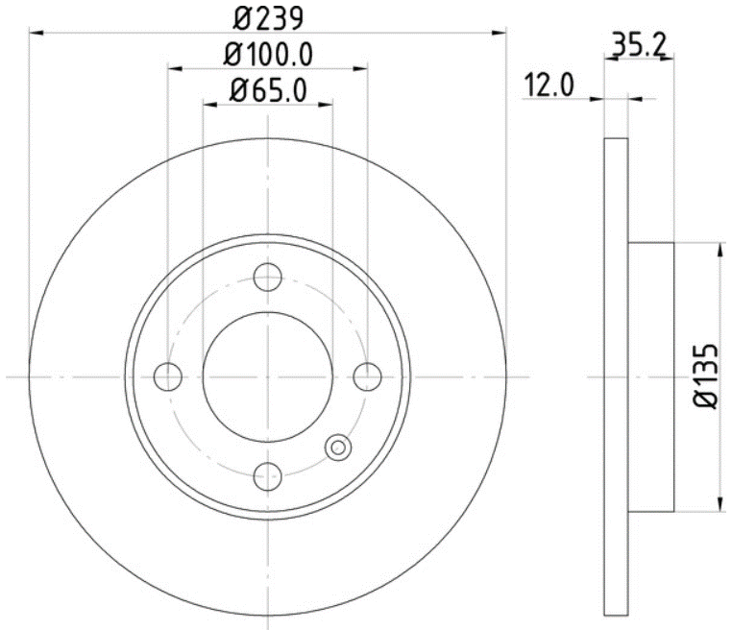 | B | PRT1095 | 9228R | BFR370110 | 121.33003 | A-4004 | 3416 | FR28001 | T5022 | 355017711 | 7234-D340
53911-A1 | 355124581 | Vollkswagen . | IBIZA/1.8I 16V/93/-/R/, CORSAR, ATLANTIC 81-87, CARIBE 77-87, CORSAR 85-89, GOLF 87-93, GOLF 1.8 93-96, JETTA 87-93, JETTA 1.8 93-96/ POINTER 98--> | Tras. | 226 | 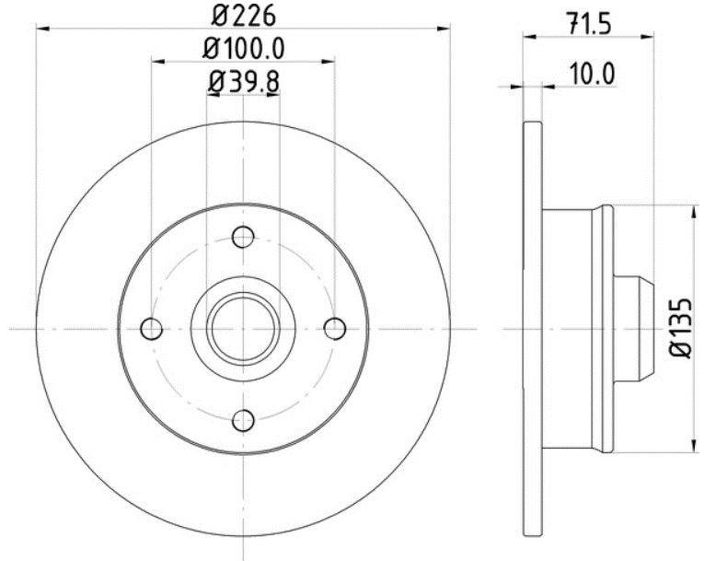 | B | PRT1572 | 9934R | BRR370110 | 121.33022 | A-5919 | 3483 | FR28004 | T5022 | 355017711 | 7335-D340
50205 | 355104551 | Nissan | DISCO NISSAN 2.4 94-12 | Del. | 260 | 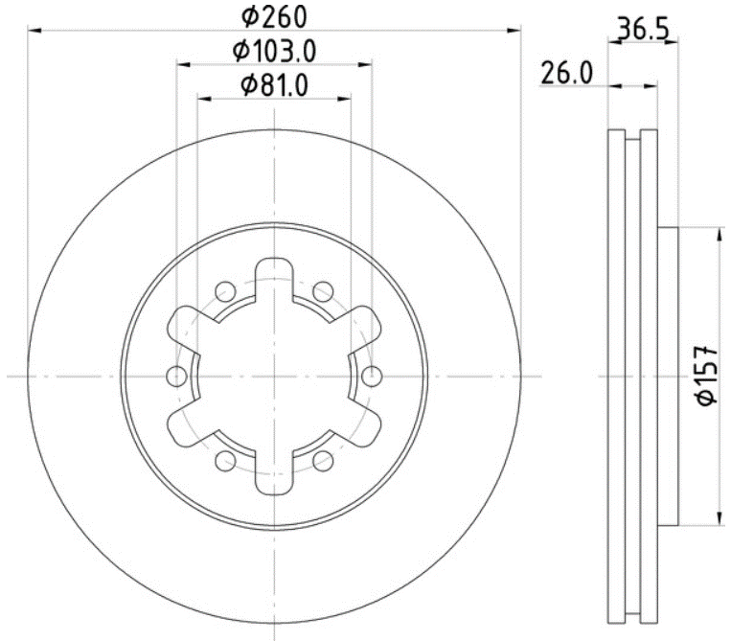 | C | PRT1451 | 96011R | BFR520410 | 121.34040 | A-4935 | 31025 | FR20005 | T0009 | 355005651 | 7228-D333
54471 | 355112791 | Dodge | Dodge i10 12-, | Del. | 241 | 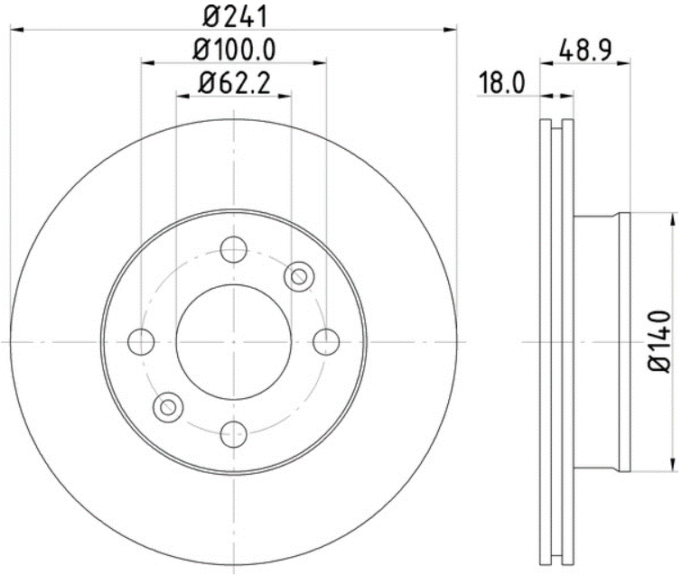 | C |  |  |  |  | A-6953 |  | FR07002 | T1552 | 355006571 | 8815-D1601
50364-A1 | 355124201 | Peugeot. | PEUGEOT PARTNER 03-06 FURGON/ PACK03 - | Del. | 266 | 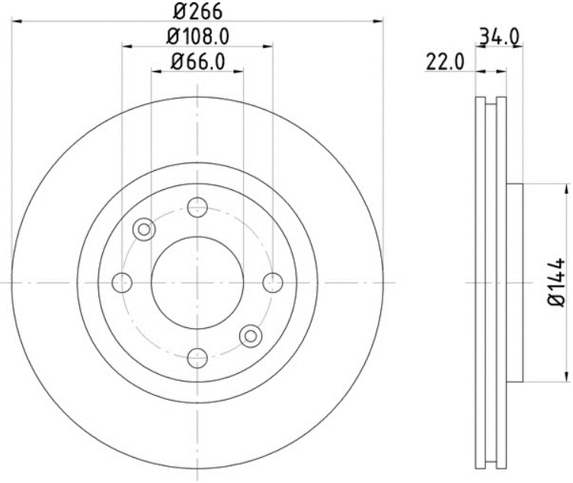 | C |  |  | BFR381010 |  | A-5962 |  | FR21006 | T1422 | 355011071 | 8228-D1122
54207-A1 | 355124231 | Volkswagen . | VOLKSWAGEN Jetta A6 2.0L 13-15, Del. | Del. | 279.9 | 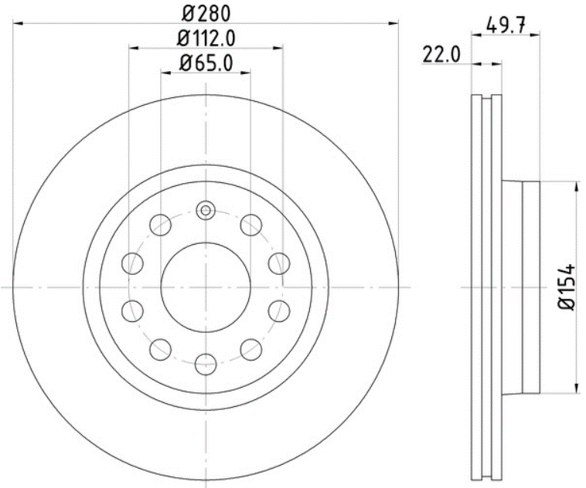 | N | - | - |  |  | A-6100 |  |  | T1841 | 355014511 | 8212-D1107
54209-A1 | 355124431 | Volkswagen, | VOLKSWAGEN Jetta A6 2.5L 12-15, Tras. | Tras. | 253 | 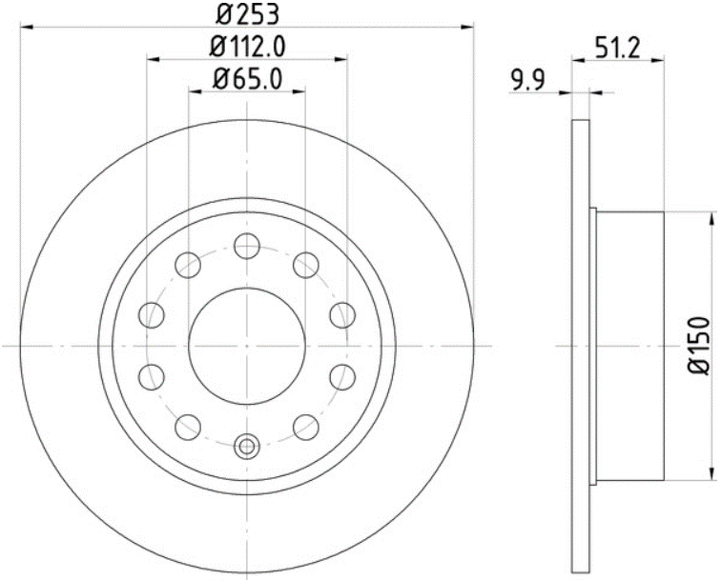 | N | - | - | BRR375010 |  |  |  |  | T1782 | 355014021 | 8656-D1456

